Sheet1
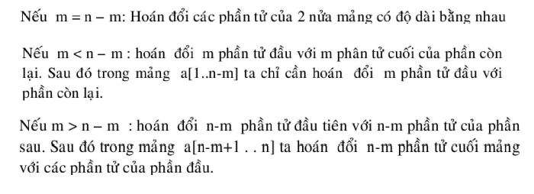
1 | 2 | 3 | 4 | 5 | 6 | 7 | 8 | 9 | 10 | 11
3 | 5 | 8 | 9 | 4 | 2 | 7 | 5 | 3 | 9 | 8
3 | 9 | 8 | 9 | 4 | 2 | 7 | 5 | 3 | 5 | 8
2 | 7 | 5 | 9 | 4 | 3 | 9 | 8 | 3 | 5 | 8
9 | 4 | 5 | 2 | 7 | 3 | 9 | 8 | 3 | 5 | 8

1 | 2 | 3 | 4 | 5 | 6 | 7 | 8 | 9 | 10 | 11
3 | 5 | 8 | 9 | 4 | 2 | 7 | 5 | 3 | 9 | 8
5 | 3 | 9 | 8 | 4 | 2 | 7 | 3 | 5 | 8 | 9
4 | 2 | 7 | 8 | 5 | 3 | 9 | 3 | 5 | 8 | 9

1 | 2 | 3 | 4 | 5 | 6 | 7 | 8 | 9 | 10 | 11
3 | 5 | 8 | 9 | 4 | 2 | 7 | 5 | 3 | 9 | 8
7 | 5 | 3 | 9 | 8 | 2 | 3 | 5 | 8 | 9 | 4
2 | 5 | 3 | 9 | 8 | 7 | 3 | 5 | 8 | 9 | 4

